ManualTC_Google_Search
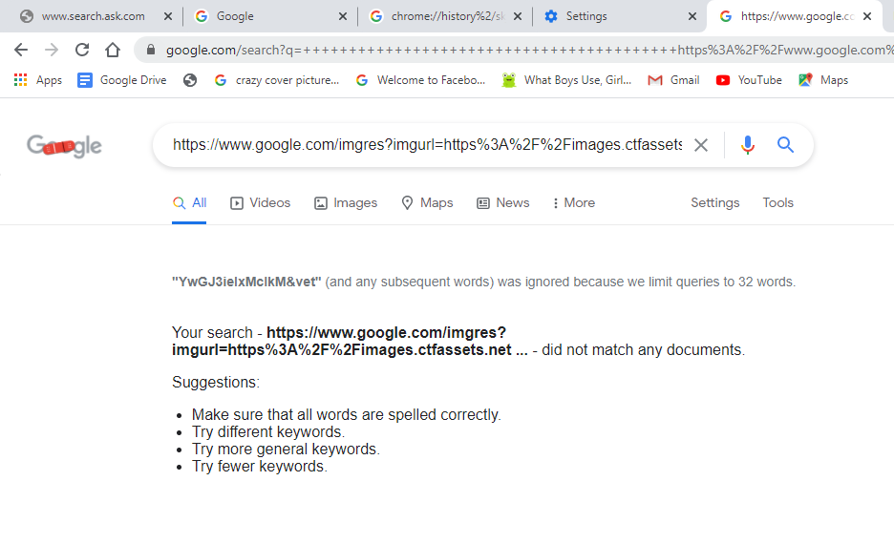
Please write all possible manual test cases for Google Search functionality.

Title | Google Search
URL | https://www.google.com/
Browser | Chrome
Version | 90.0.4430.93
Created By | Subhashini Bhuvaneswaran
Created On | 30-04-2021
Total No of Testcases | TC001 - TC069

NOTE : Clear cache before testing

Test ID | Pre condition | Test Description | Test Steps | Test Data | Post condition | Expected Result | Actual Result | Bugs | Priority | Severity
TC001 | Google Page should get opened | To check whether the search box is present | 1. Click on Google Application. 2. Check for search box | - | - | Search box should present in Google page | Search box is present in Google page | - | - | -
TC002 | Google Page should get opened. | To check whether the search box is present below the text Google | 1. Click on Google Application. 2. Check for the text Google 3. Check for search box. | - | - | Search box should be placed below the Google Text | Search box is placed below the Google Text | - | - | -
TC003 | 1. Google Page should get opened. 2. Google Text should be present. | To check whether the size, color and font of the text Google is correct | 1. Click on Google Application. 2. Check for Google Text | - | - | Size, color and font of the text Google should be correct | Size, color and font of the text Google is correct | - | - | -
TC004 | Google Page should get opened. | To check whether two buttons(Google Search and I'm Feeling Lucky) are placed below the search box | 1. Click on Google Application. 2. Check for the buttons 3. Check for search box. | - | - | Buttons should be placed below the search box | Buttons is placed below the search box | - | - | -
TC005 | Google Page should get opened. | To check whether the regional language change option are placed below the buttons | 1. Click on Google Application. 2. Check for the buttons. 3. Check for the regional language options. | - | - | Regional languaue options should be placed below the buttons | Regional languaue options are placed below the buttons | - | - | -
TC006 | Google Page should get opened. | To check when any of one regional language is selected then it get removed from the language list | 1. Click on Google Application. 2. Select any one of the regional language from the regional language options. | Refer below | Current language get updated into the language option list. | When one language is selected then it should be removed from the regional language list. | When one language is selected then it is removed from the regional language list. | - | - | -

Test Data - TC006

 |  | Google offered in: हिन्दी বাংলা తెలుగు मराठी தமிழ் ગુજરાતી ಕನ್ನಡ മലയാളം ਪੰਜਾਬੀ |  |  | When मराठी is selected then the options updated into

 |  | Google उपलब्ध आहे यामध्ये: English हिन्दी বাংলা తెలుగు தமிழ் ગુજરાતી ಕನ್ನಡ മലയാളം ਪੰਜਾਬੀ

TC007 | 1.Google Page should get opened. 2. Language option list must be present. 3. Search box should be present. | To ensure that the search result page get displayed in the regional language | 1. Click on Google Application. 2. Select any one of the regional language from the regional language options. 3.Type any search keyword and press enter. 4.Page navigate to search result page. | - | - | Search result page should get displayed in the selected regional language | Search result page is getting displayed in the selected regional language | - | - | -
TC008 | Google Page should get opened. | To check whether the size of the search box is correct | 1. Click on Google Application. 2. Check for search box. | - | - | Size of the search box should be correct | Size of the search box is correct | - | - | -
TC009 | 1. Google Page should get opened. 2. Search Box should be present. | To ensure that on hovering over the searchbox "search" tooltip should be present | 1. Click on Google Application. 2. Check for search box. 3.Hover over the search box | - | - | Tooltip should get display on hovering over the search box | Tooltip is getting display on hovering over the search box | - | - | -
TC010 | 1. Google Page should get opened. 2. Search Box should be present. | To check whether search icon is placed in the left corner of the search box | 1. Click on Google Application. 2. Check for search box. 3. Check for the search icon. | - | - | Search icon should be present in the left of the search box | Search icon is present in the left of the search box | - | - | -
TC011 | 1. Google Page should get opened. 2. Search Box should be present. | To ensure that the search icon present is not clickable | 1. Click on Google Application. 2. Check for search box. 3. Check for the search icon. | - | - | Search icon present should not be clickable | Search icon present is not clickable | - | - | -
TC012 | 1. Google Page should get opened. 2. Search Box should be present. | To check whether microphone icon is placed in the right corner of the search box | 1. Click on Google Application. 2. Check for search box. 3. Check for the microphone icon. | - | - | Microphone icon should be present in the right of the search box | Microphone icon is present in the right of the search box | - | - | -
TC013 | 1. Google Page should get opened. 2. Search Box should be present. | To check whether on hovering the microphone icon tooltip is present | 1. Click on Google Application. 2. Check for search box. 3. Check for the microphone icon. 4. Hover over the microphone icon. | - | - | On hovering the microphone icon tooltip should be displayed | On hovering the microphone icon tooltip is displayed | - | - | -
TC014 | 1. Google Page should get opened. 2. Search Box should be present. | To ensure that the microphone icon present is clickable | 1. Click on Google Application. 2. Check for search box. 3. Check for the microphone icon. 4. Click on the microphone icon. | - | - | The microphone icon present should be clickable | The microphone icon present is clickable | - | - | -
TC015 | 1. Google Page should get opened. 2. Search Box should be present. 3. Microphone icon should be present in the search box | To ensure that on clicking microphone icon a popup getting displayed | 1. Click on Google Application. 2. Check for search box. 3. Check for the microphone icon. 4. Click on the microphone icon. 5.Check for the popup box. | - | - | On clicking the microphone popup box should get displayed | On clicking the microphone popup boxis getting displayed | - | - | -
TC016 | 1. Google Page should get opened. 2. Search Box should be present. 3. Microphone icon should be present in the search box | To check that popup box holds a message stating "Use your microphone" | 1. Click on Google Application. 2. Check for search box. 3. Check for the microphone icon. 4. Click on the microphone icon. 5.Check for the popup box. | - | - | "Use your microphone" message should get displayed in the popup box | "Use your microphone" message is getting displayed in the popup box | - | - | -
TC017 | 1. Google Page should get opened. 2. Search Box should be present. 3. Microphone icon should be present in the search box | To check that popup box holds a Allow and Block option | 1. Click on Google Application. 2. Check for search box. 3. Check for the microphone icon. 4. Click on the microphone icon. 5.Check for the popup box. | - | - | Allow and Block option should be displayed in the popup box | Allow and Block option get displayed in the popup box | - | - | -
TC018 | 1. Google Page should get opened. 2. Search Box should be present. 3. Microphone icon should be present in the search box | To check that on clicking block option microphone is blocked from usage | 1. Click on Google Application. 2. Check for search box. 3. Check for the microphone icon. 4. Click on the microphone icon. 5.Check for the popup box. 6.Allow and Block option get diplayed 7. Click on the block option | - | When microphone is clicked when it is block, "Voice search has been turned off" message get displayed | Microphone should be blocked once block option is selected in popup menu | Microphone is blocked once block option is selected in popup menu | - | - | -
TC019 | 1. Google Page should get opened. 2. Search Box should be present. 3. Microphone icon should be present in the search box | To check that on clicking allow option in popup box, search by voice option is available using microphone | 1. Click on Google Application. 2. Check for search box. 3. Check for the microphone icon. 4. Click on the microphone icon. 5.Check for the popup box. 6.Allow and Block option get diplayed 7. Click on the allow option | - | 1.When microphone is clicked when it is in Allow, "Speak Now" message get displayed. 2.Search keyword can be given in the form of voice | Search by voice option should be enabled once Allow option is selected in popup box | Search by voice option is enabled once Allow option is selected in popup box | - | - | -
TC020 | 1. Google Page should get opened. 2. Search Box should be present. | To check whether the search box is editable | 1. Click on Google Application. 2. Check for search box | - | - | The search box should be editable | Search box is editable | - | - | -
TC021 | 1. Google Page should get opened. 2. Search Box should be present. | To ensure on clicking inside the search box cursor is placed in the search box | 1. Click on Google Application. 2. Check for search box 3. Click inside the search box | - | - | Cursor should be placed inside the search box | Cursor is getting placed both inside and outside the search box | Bug | Low | Low
TC022 | 1. Google Page should get opened. 2. Search Box should be present. | To ensure on clicking inside the search box suggestion list get displayed | 1. Click on Google Application. 2. Check for search box 3. Click inside the search box | - | - | Suggestion list should get display inside the search box | Suggestion list is getting display inside the search box | - | - | -
TC023 | 1. Google Page should get opened. 2. Search Box should be present. | To check that there is no any unwanted scroll displayed when suggestion list get displayed | 1. Click on Google Application. 2. Check for search box 3. Click inside the search box 4. Suggestion list should get display from the search box | - | - | Unwanted scroll should not be present when suggestion list get displayed | Unwanted scroll is present when suggestion list are getting displayed | Bug | Medium | Medium
TC024 | 1. Google Page should get opened. 2. Search Box should be present. 3. Browsing history should be cleared | To ensure that the trending search get display in the suggestion list. | 1. Click on Google Application. 2. Check for search box 3. Click inside the search box 4. Suggestion list should get display from the search box | - | - | Trending search should get displayed in the suggestion list | Trending search is getting displayed in the suggestion list | - | - | -
TC025 | 1. Google Page should get opened. 2. Search Box should be present. | To verify whether 10 suggestions are getting displayed as default in the search box. | 1. Click on Google Application. 2. Check for search box 3. Click inside the search box 4. Suggestion list should get display from the search box | - | - | 10 suggestions should get displayed as default in the search box. | 10 suggestions are getting displayed as default in the search box. | - | - | -
TC026 | 1. Google Page should get opened. 2. Search Box should be present. | To verify whether suggestions are getting displayed are less than or equal to 10 based on the keyword in the search box. | 1. Click on Google Application. 2. Check for search box 3. Click inside the search box 4. Suggestion list should get display from the search box | - | - | Less than or equal to 10 suggestions should get displayed based on the search keyword in the search box. | Less than or equal to 10 suggestions is getting displayed based on the search keyword in the search box. | - | - | -
TC027 | 1. Google Page should get opened. 2. Search Box should be present. | To ensure that the displayed suggestions is not be editable | 1. Click on Google Application. 2. Check for search box 3. Click inside the search box 4. Suggestion list should get display from the search box | - | - | Displyed suggestion in the suggestion list should not be editable | Displyed suggestions in the suggestion list are not be editable | - | - | -
TC028 | 1. Google Page should get opened. 2. Search Box should be present. | To ensure that the displayed suggestions are clickable | 1. Click on Google Application. 2. Check for search box 3. Click inside the search box 4. Suggestion list should get display from the search box | - | - | Displyed suggestion in the suggestion list should be clickable | Displyed suggestions in the suggestion list are clickable | - | - | -
TC029 | 1. Google Page should get opened. 2. Search Box should be present. 3. Previous search should be made. | To check that once search is made then the browsing history get display in the suggestion of search box. | 1. Click on Google Application. 2. Check for search box 3. Click inside the search box 4.Enter any of the previous searched keyword 5. Previous search History should get display in the suggestion box | - | - | Once search is made then the browsing history should display in the suggestion of search box. | Once search is made then the browsing history is displayed in the suggestion of search box. | - | - | -
TC030 | 1. Google Page should get opened. 2. Search Box should be present. | To ensure that the search icon is placed at the front of the random suggestion in the suggestion list | 1. Click on Google Application. 2. Check for search box 3. Click inside the search box 4. Suggestion list should get display from the search box | - | - | Search icon should be placed at the front of all the random suggestion listed in the suggestion list | Search icon is placed at the front of all the random suggestion listed in the suggestion list | - | - | -
TC031 | 1. Google Page should get opened. 2. Search Box should be present. 3. Previous search should be made. | To ensure that the History icon is placed at the front of the previous searched keyword in the suggestion list | 1. Click on Google Application. 2. Check for search box 3. Click inside the search box 4.Enter any of the previous searched keyword 5. Previous search History should get display in the suggestion box | - | - | History icon should be placed at the front of the previous searched keyword in the suggestion list | History icon is placed at the front of the previous searched keyword in the suggestion list | - | - | -
TC032 | 1. Google Page should get opened. 2. Search Box should be present. 3. Previous search should be made. | To ensure that the remove option is placed at the end of each history item displayed in the suggestion list | 1. Click on Google Application. 2. Check for search box 3. Click inside the search box 4.Enter any of the previous searched keyword 5. Previous search History should get display in the suggestion list 6.Check for remove option at the end of the previous search history option displayed in the suggestion list | - | - | Remove option should be placed at the end of each history item displayed in the suggestion list | Remove option is placed at the end of each history item displayed in the suggestion list | - | - | -
TC033 | 1. Google Page should get opened. 2. Search Box should be present. 3. Previous search should be made. | To verify that on clicking remove option history get removed from the suggestion list | 1. Click on Google Application. 2. Check for search box 3. Click inside the search box 4.Enter any of the previous searched keyword 5. Previous search History should get display in the suggestion box 6. Click on remove option if the previous history search need to be removed from the suggestion list | - | - | On clicking remove option, previous search history should get removed from the suggestion list | On clicking remove option, previous search history is getting removed from the suggestion list | - | - | -
TC034 | 1. Google Page should get opened. 2. Search Box should be present. 3. Previous search should be made. | To verify that cache of Browsing History is cleared then the history displayed in the suggestion list is also removed | 1. Click on Google Application. 2. Click inside the search box 3. Clear the cache. 4. Enter previous searched keyword. 5. Search box should not suggest the previous search history option in the suggestion list. | - | - | Once the cache is cleared then the Browing history should not be displayed in the suggestion list | Once the cache is cleared then the Browing history is not displayed in the suggestion list | - | - | -
TC035 | 1. Google Page should get opened. 2. Search Box should be present. | To check that only on typing the search keyword clear icon should get displayed to the right end. | 1. Click on Google Application. 2. Click inside the search box 3. Enter any search keyword. 4.Clear icon should be displayed when the text entered. | Refer below | - | When text is entered in the search box clear icon should get displayed | When text is entered in the search box clear icon is getting displayed | - | - | -

Test Data - TC035

 |  | Test X

TC036 | 1. Google Page should get opened. 2. Search Box should be present. | To check that the clear icon is placed to the left of the microphone | 1. Click on Google Application. 2. Click inside the search box 3. Enter any search keyword. 4.Clear icon get be displayed when the text entered. 5. Clear icon should be placed to the left of microphone | - | - | Clear icon should be placed to the left of the microphone | Clear icon is placed to the left of the microphone | - | - | -
TC037 | 1. Google Page should get opened. 2. Search Box should be present. | To check that on clicking the clear icon typed search key word is cleared | 1. Click on Google Application. 2. Click inside the search box 3. Enter any search keyword. 4.Clear icon get be displayed when the text entered. 5. Click on the clear icon 6. Entered text should be cleared from the search box | - | - | On clicking the clear icon typed search key word should be cleared | On clicking the clear icon typed search key word is cleared | - | - | -
TC038 | 1. Google Page should get opened. 2. Search Box should be present. | To ensure that there is no range for entering search keyword | 1. Click on Google Application. 2. Click inside the search box 3. Enter any search keyword exceed average range. | Search the world's information, including webpages, images, videos and more. Google has many special features to help you find exactly what you're looking ... You've visited this page many times | - | There should not be text limit range in the search box | There is no text limit range in the search box | - | - | -
TC039 | 1. Google Page should get opened. 2. Search Box should be present. | To check when the keyword exceed the actual search box size, word wrap is not done | 1. Click on Google Application. 2. Click inside the search box 3. Enter any search keyword exceed average range. | Search the world's information, including webpages, images, videos and more. Google has many special features to help you find exactly what you're looking ... You've visited this page many times | - | When the keyword exceed the actual search box size, word wrap should not done | When the keyword exceed the actual search box size, word wrap is not done | - | - | -
TC040 | 1. Google Page should get opened. 2. Search Box should be present. | To check that when the keyword is long then the beginning of the keyword moves inside search box | 1. Click on Google Application. 2. Click inside the search box 3. Enter any search keyword exceed average range. | Search the world's information, including webpages, images, videos and more. Google has many special features to help you find exactly what you're looking ... You've visited this page many times | - | When the keyword is long then the beginning of the keyword should moves inside search box | When the keyword is long then the beginning of the keyword moves inside search box | - | - | -

Test Data - TC040

 |  | xactly what you're looking ... You've visited this page many times" X

TC041 | 1. Google Page should get opened. 2. Search Box should be present. | To check that when the keyword is long then the hidden text can be viewed using tooltip | 1. Click on Google Application. 2. Click inside the search box 3. Enter any search keyword exceed average range. | Search the world's information, including webpages, images, videos and more. Google has many special features to help you find exactly what you're looking ... You've visited this page many times | - | Tooltip should be present to view the hidden text entered in the search box | Tooltip doesn't display the hidden input text entered in the search box | Enhancement | Low | Low
TC042 | 1. Google Page should get opened. 2. Search Box should be present. | To ensure that search can be done by pressing the enter key on the keyboard | 1. Click on Google Application. 2. Click inside the search box 3. Type any search keyword. 4.Press Enter Key in the keyboard | - | - | Enter key in the keyboard should be pressed when keyword is typed in the search box to execute search | Enter key in the keyboard is pressed when keyword is typed in the search box to execute search | - | - | -
TC043 | 1. Google Page should get opened. 2. Search Box should be present. | To ensure that search can be done by clicking the suggestion displayed based on the search keyword | 1. Click on Google Application. 2. Click inside the search box 3. Type any search keyword. 4.Check for the required search result in the suggestion list. 5.Click on the required search option | - | - | On clicking the required search result displayed in the suggestion search action should be executed | On clicking the required search result displayed in the suggestion search action is executed | - | - | -
TC044 | 1. Google Page should get opened. 2. Search Box should be present. | To check that on pressing up/down arrow key in the suggestion box corresponding keyword will be placed inside the search box | 1. Click on Google Application. 2. Click inside the search box 3. Type any search keyword. 4. Suggestion of the entered keyword get displayed in the sugesstion list. 5.Press arrow key to select the required search option. | - | - | On pressing up/down arrow key in the suggestion box corresponding keyword should be placed inside the search box | On pressing up/down arrow key in the suggestion box corresponding keyword is placed inside the search box | - | - | -

Test Data - TC044

 |  | google search bugs X
 |  | google search bugs
 |  | google search bed bugs
 |  | google search engine bugs
 |  | how to report google search bug

TC045 | 1. Google Page should get opened. 2. Search Box should be present. | To ensure that on pressing down arrow key in the keyboard, selector moves downward in the suggestion list | 1. Click on Google Application. 2. Click inside the search box 3. Type any search keyword. 4. Suggestion of the entered keyword get displayed in the sugesstion list. 5.Press down arrow key to select the required search option displayed at the bottom. | - | - | On pressing down arrow key in the keyboard, selector should move to the downward search options in the suggestion list | On pressing down arrow key in the keyboard, selector move to the downward search options in the suggestion list | - | - | -
TC046 | 1. Google Page should get opened. 2. Search Box should be present. | To ensure that on pressing up arrow key in the keyboard, selector moves upward in the suggestion list | 1. Click on Google Application. 2. Click inside the search box 3. Type any search keyword. 4. Suggestion of the entered keyword get displayed in the sugesstion list. 5.Press up arrow key to select the required search option displayed at the top | - | - | On pressing up arrow key in the keyboard, selector should move to the upward search options in the suggestion list | On pressing up arrow key in the keyboard, selector move to the upward search options in the suggestion list | - | - | -
TC047 | 1. Google Page should get opened. 2. Search Box should be present. | To ensure that on typing the keyword suggestion list get updated based the keyword entered | 1. Click on Google Application. 2. Click inside the search box 3. Type any search keyword. 4. Suggestion of the entered keyword get displayed in the sugesstion list. 5.Type any text from the existing keyword 6.Suggestions displayed get updated. | - | - | On typing the keyword, suggestion list should get updated based the keyword entered | On typing the keyword, suggestion list is getting updated based the keyword entered | - | - | -

Test Data - TC047

 |  | google search bugs X
 |  | google search bugs
 |  | google search bed bugs
 |  | google search engine bugs
 |  | how to report google search bug

 |  | google search bed bugs X
 |  | google search bed bugs

TC048 | 1. Google Page should get opened. 2. Search Box should be present. | To ensure that on pressing backspace the keyword suggestion list get updated based the existing keyword | 1. Click on Google Application. 2. Click inside the search box 3. Type any search keyword. 4. Suggestion of the entered keyword get displayed in the sugesstion list. 5.Remove any text from the search keyword 6.Suggestions displayed get updated. | - | - | On pressing backspace the keyword suggestion list should get updated based the existing keyword | On pressing backspace the keyword suggestion list is updated based the existing keyword | - | - | -
TC049 | 1. Google Page should get opened. 2. Search Box should be present. | To ensure that on selecting the suggestion the suggestion list displayed below gets updated | 1. Click on Google Application. 2. Click inside the search box 3. Type any search keyword. 4. Suggestion of the entered keyword get displayed in the sugesstion list. 5.Select any option from the suggestion list 6.Existing Suggestions displayed get updated based on newly selected keyword. | - | - | On selecting the suggestion, the suggestion list displayed below should get updated | On selecting the suggestion, the suggestion list displayed below is updated | - | - | -
TC050 | 1. Google Page should get opened. 2. Search Box should be present. | To ensure that when there is no relevant suggestion for the entered keyword then suggestion list will not be displayed | 1. Click on Google Application. 2. Click inside the search box 3. Type any search keyword. 4. No Suggestion get displayed when there is no relavant suggestion. | google search bed bath & beyond acquired | - | When there is no relevant suggestion for the entered keyword then suggestion list should not be displayed | When there is no relevant suggestion for the entered keyword then suggestion list is not displayed | - | - | -
TC051 | 1. Google Page should get opened. 2. Search Box should be present. | To ensure that when incorrect spelling is typed then red line denoting incorrect keyword is displayed | 1. Click on Google Application. 2. Click inside the search box 3. Type any search keyword with spelling mistake. 4. Red line get displayed under the search keyword in the search box | google beyond aquired | - | When incorrect spelling is typed then red line denoting incorrect keyword should get displayed | When incorrect spelling is typed then red line denoting incorrect keyword is getting displayed | - | - | -
TC052 | 1. Google Page should get opened. 2. Search Box should be present. | To ensure that the suggestions, rather than typed keyword are displayed in bold letters | 1. Click on Google Application. 2. Click inside the search box 3. Type any search keyword. 4. Check the suggestion list. | refer below | - | Suggestions, rather than typed keyword should be displayed in bold letters | Suggestions, rather than typed keyword is displayed in bold letters | - | - | -

Test Data - TC052

 |  | test report executive summary X
 |  | test report executive summary
 |  | performance test report executive summary
 |  | penetration test report executive summary
 |  | bcp test results executive summary

TC053 | 1. Google Page should get opened. 2. Search Box should be present. | To ensure that on selecting the required keyword the page gets navigated displaying search result page. | 1. Click on Google Application. 2. Enter the required keyword in the search box 3.Press enter. 4.Page navigates to the search result page. | - | - | On selecting the required keyword the page should get navigated to the search result page. | On selecting the required keyword the page is getting navigated to the search result page. | - | - | -
TC054 | 1. Google Page should get opened. 2. Search Box should be present. | To check that when incorrect search keyword is given then "Showing results for" and "Search instead for" is displayed | 1. Click on Google Application. 2. Enter the required keyword in the search box 3.Press enter. 4.Page navigates to the search result page. | Input : testbug lifecycle Showing results for testing life cycle Search instead for testbug lifecycle | - | When incorrect search keyword is given then "Showing results for" and "Search instead for" should get displayed | When incorrect search keyword is given then "Showing results for" and "Search instead for" is getting displayed | - | - | -
TC055 | 1. Google Page should get opened. 2. Search Box should be present. | To check that when search keyword is not meaningful, search engine couldn't find proper match or it assume its own keyword then Did you mean: "rephrasing actual keyword" get displayed | 1. Click on Google Application. 2. Enter the required keyword in the search box 3.Press enter. 4.Page navigates to the search result page. | Input : te bu Did you mean: tabu | - | When search keyword is not meaningful, search engine couldn't find proper match or it assume its own keyword then Did you mean: "rephrasing actual keyword" should get displayed | When search keyword is not meaningful, search engine couldn't find proper match or it assume its own keyword then Did you mean: "rephrasing actual keyword" is getting displayed | - | - | -
TC056 | 1. Google Page should get opened. 2. Search Box should be present. | To ensure that the number of search result for the entered keyword get displayed in the result page. | 1. Click on Google Application. 2. Enter the required keyword in the search box 3.Press enter. 4.Page navigates to the search result page. | Input : Bug cycle About 5,95,00,000 results (0.56 seconds) | - | The number of search result for the entered keyword should get displayed in the result page. | The number of search result for the entered keyword is displayed in the result page. | - | - | -
TC057 | 1. Google Page should get opened. 2. Search Box should be present. | To check that Google Page get displayed at the bottom of the search result page | 1. Click on Google Application. 2. Enter the required keyword in the search box 3.Press enter. 4.Page navigates to the search result page. | - | - | Google Page should get displayed at the bottom of the search result page | Google Page is displayed at the bottom of the search result page | - | - | -
TC058 | 1. Google Page should get opened. 2. Search Box should be present. 3. Search result should have more than 1 page | To ensure that all the search result can be viewed by clicking on the page number, Previous and Next option | 1. Click on Google Application. 2. Enter the required keyword in the search box 3.Press enter. 4.Page navigates to the search result page. 5.Google Page should get displayed at the bottom of the search result page | - | - | All the search result should be viewed by clicking on the page number, Previous and Next option | All the search result is viewed by clicking on the page number, Previous and Next option | - | - | -
TC059 | 1. Google Page should get opened. 2. Search Box should be present. | To check when the keyword doesn't match with any results then it is notified in the search result page | 1. Click on Google Application. 2. Enter the required keyword in the search box 3.Press enter. 4.Page navigates to the search result page. 5.No result found will be notified | Input : ;dsh;adsf;sdsr;assf;eersa;sd;arerc;wqrwefdsfef/ee[fd' Your search - ;dsh;adsf;sdsr;assf;eersa;sd;arerc;wqrwefdsfef/ee[fd' - did not match any documents. Suggestions: Make sure that all words are spelled correctly. Try different keywords. Try more general keywords. Try fewer keywords. | - | When the keyword doesn't match with any results then it should be notified in the search result page | When the keyword doesn't match with any results then it is notified in the search result page | - | - | -
TC060 | 1. Google Page should get opened. 2. Search Box should be present. | To ensure that on clicking back button from search result page search keyword is not placed in the search box | 1. Click on Google Application. 2. Enter the required keyword in the search box 3.Press enter. 4.Page navigates to the search result page. 5.Click on back button in the web page 6.Page navigates to Google search page 7.There should not be any keyword in the search box | - | - | On clicking back button from search result page, search keyword should not be placed in the search box | On clicking back button from search result page, search keyword is not placed in the search box | - | - | -
TC061 | 1. Google Page should get opened. 2. Search Box should be present. | To ensure that pasting of search keyword is allowed in the search box | 1. Click on Google Application. 2. Paste the required keyword in the search box 3.Press enter. 4.Page navigates to the search result page. | - | - | Pasting of search keyword should be allowed in the search box | Pasting of search keyword is allowed in the search box | - | - | -
TC062 | 1. Google Page should get opened. 2. Search Box should be present. | To check that the tab flow is working properly in the search box | 1. Click on Google Application. 2. Click on Tab key and monitor the tab flow | - | - | Tab flow should work properly in the search box | Tab flow is working properly in the search box | - | - | -
TC063 | 1. Google Page should get opened. 2. Search Box should be present. | To check that Browsing history is displayed first followed by the keyword suggestion in the suggestion list | 1. Click on Google Application. 2. Click inside the search box 3. Type any search keyword. 4. Suggestion of the entered keyword get displayed in the sugesstion list. | - | - | Browsing history should display first followed by the keyword suggestion in the suggestion list | Browsing history is displayed first followed by the keyword suggestion in the suggestion list | - | - | -
TC064 | 1. Google Page should get opened. 2. Search Box should be present. | To ensure that when cursor is out of the search box then suggestion list is not be displayed | 1. Click on Google Application. 2. Click inside the search box 3. Type any search keyword. 4. Suggestion of the entered keyword get displayed in the sugesstion list. 5.Place the cursor out of the search box 6.Suggestion list should not bedisplayed | - | - | When cursor is out of the search box then suggestion list should not get displayed | When cursor is out of the search box then suggestion list is not getting displayed | - | - | -
TC065 | 1. Google Page should get opened. 2. Search Box should be present. | To check that the empty space keyword is restricted | 1. Click on Google Application. 2. Click inside the search box 3. Type empty space in the search box. 4.Press enter. | - | - | Empty space search need not be allowed | When empty space alone is entered and enter is pressed page is not navigating to search result. Yet entering of empty space alone can be trimmed | Enhancement | Low | Low
TC066 | 1. Google Page should get opened. 2. Search Box should be present. | To check that when right click is done inside the search box then list of option get displayed related to the search box | 1. Click on Google Application. 2. Right click inside the search box 3.Options related to search input get displayed | - | - | when right click is done inside the search box then list of option should get displayed related to the search box | when right click is done inside the search box then list of option is getting displayed related to the search box | - | - | -
TC067 | 1. Google Page should get opened. 2. Search Box should be present. | To ensure that emoji search can be made by right clicking inside the search box and selecting Emoji option | 1. Click on Google Application. 2. Right click inside the search box 3.Click on Emoji option. 4.Emoji box get opened. 5.Select any of the required emoji | - | - | Emoji search should be made by right clicking inside the search box and selecting Emoji option | Emoji search can be made by right clicking inside the search box and selecting Emoji option | - | - | -
TC068 | 1. Google Page should get opened. 2. Search Box should be present. | To ensure that right to left keyword typing can be done by right clicking inside search box and selecting Write Direction -> Right to Left option | 1. Click on Google Application. 2. Right click inside the search box 3.Hover over Write Direction option 4.Select Right to Left option | - | - | Right to left keyword typing should be done by right clicking inside search box and selecting Write Direction -> Right to Left option | Right to left keyword typing can be done by right clicking inside search box and selecting Write Direction -> Right to Left option | - | - | -
TC069 | 1. Google Page should get opened. 2. Search Box should be present. | To check whether image search can be done in search box | 1. Click on Google Application. 2. Drag and drop an image in the search box | https://www.google.com/imgres?imgurl=https%3A%2F%2Fimages.ctfassets.net%2Fhrltx12pl8hq%2F3MbF54EhWUhsXunc5Keueb%2F60774fbbff86e6bf6776f1e17a8016b4%2F04-nature_721703848.jpg%3Ffit%3Dfill%26w%3D480%26h%3D270&imgrefurl=https%3A%2F%2Fwww.shutterstock.com%2Fcategory%2Fnature&tbnid=YwGJ3ieIxMcIkM&vet=12ahUKEwinzaKWt6fwAhVzh-YKHaQVA9oQMygCegUIARDXAQ..i&docid=LlgDpz1LoiuznM&w=480&h=270&q=images&ved=2ahUKEwinzaKWt6fwAhVzh-YKHaQVA9oQMygCegUIARDXAQ | - | Image search should be done in search box | Image search can done in URL search and it can't be done in Google search box | Bug | High | High

BUGS

TC021

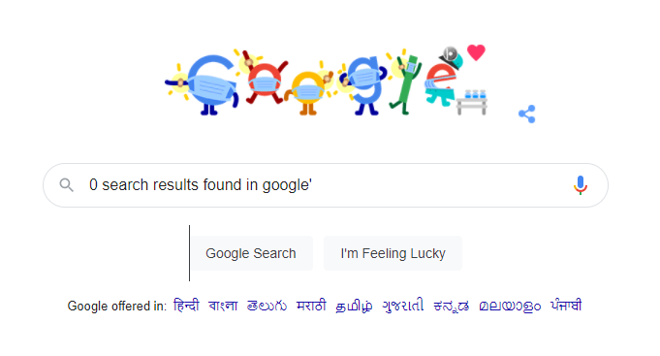

TC023

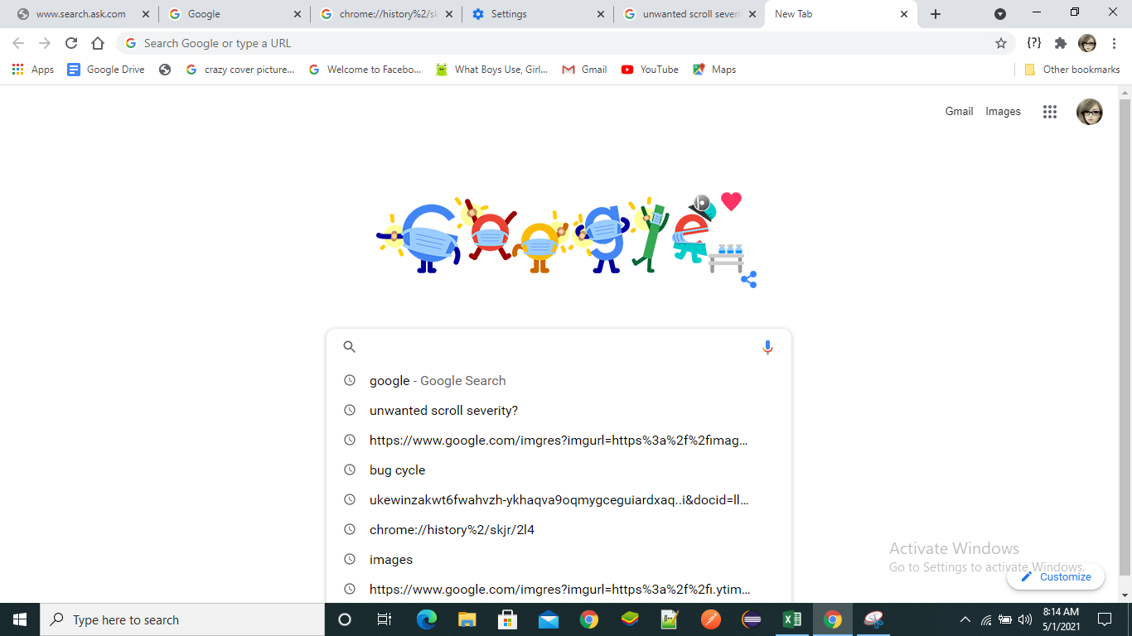

TC041

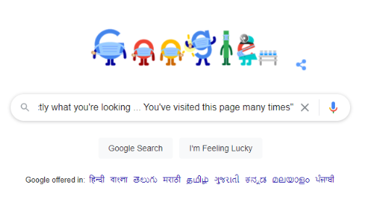

TC065

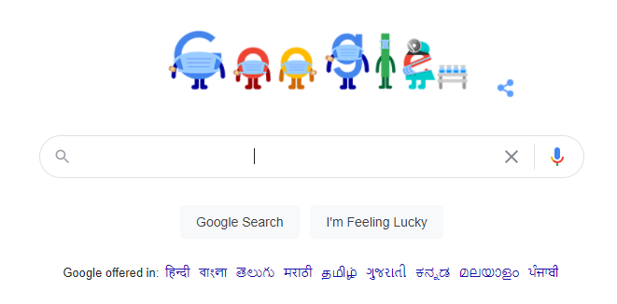

TC069

